System block Diagram
 | [Note：The below Table is NOT exhaustive. The contents need to be modified or added accordingly] [注意：模板中的条目并不是必须的，也没有穷尽，应根据项目进行删减或添加]
1.system Architecture (consider all the element not only safety related)
abstract the whole system architecture here, including the safety related blocks AND non-safety releted blocks
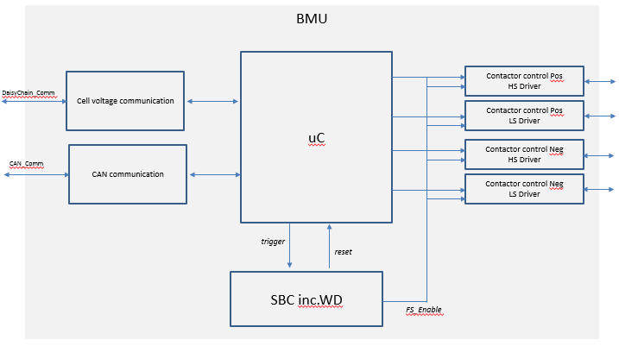

No. | Block name | Function
1 | Cell voltage communication | FuncDef_1: transmission of cell voltage from CMU to uC for safety monitoring;
2 | uC | FuncDef_1: SOC/SOH calculation; FuncDef_2: monitoring of the cell voltage, handling of safety related violation;
3 | SBC inc.WD | FuncDef_1: power supply for the ECU; FuncDef_2: watchdog for monitoring of uC; FuncDef_3: FS enable in case of permanent fault inside uC;
4
5

FTA Analysis
 | [Note：The below Table is NOT exhaustive. The contents need to be modified or added accordingly] [注意：模板中的条目并不是必须的，也没有穷尽，应根据项目进行删减或添加]

1 Introduction of Product and Safety goal(s)
 | SRQ_001 | Traction Motor (TM) system is based on NextGen project.
 | SRQ_002 | SG-1: Avoid unintended accelerating torque, ASIL C
2 Fault Tree Drawing
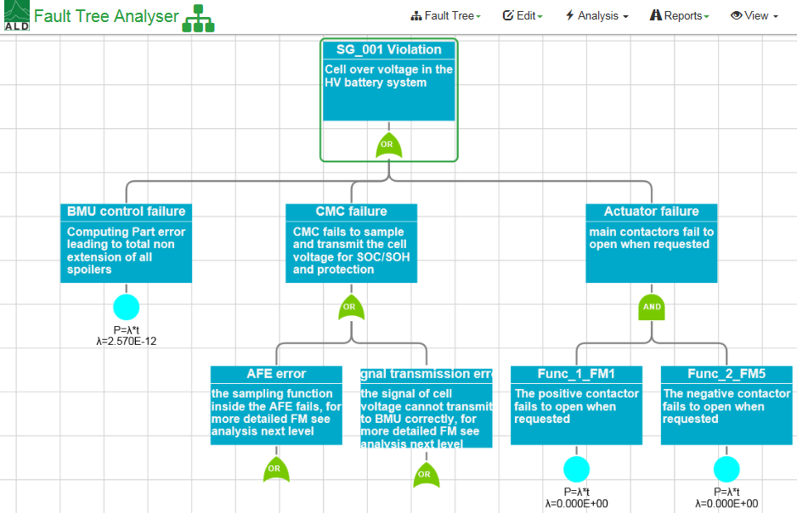
3 Fault Tree Analysis
No. | FTA Node | FTA No. | Failure mode description | Available Safety mechanism | Evaluation of SM (sufficient or not) | Comment
1 | Voltage input failure (fail to get) | EV181 | Fail to sample each cell voltage | SM-1 | Yes
2 | Voltage input failure (sampled cell voltage lower than real) | EV181 | The sampled cell voltage is lower than the real voltage | SM-2
3 | Safety mechanism for voltage within BIC failure | EV272 | The safety mechanism in BIC does not work | SM-3

4 Safety Mechanism Description
SM01 | Monitor the cell voltage, in case over the safety threshold, warn the driver;
SM02

